Instructions
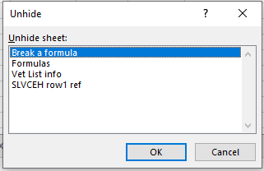
Step | Instructions
1 | Copy this file before making any changes. Do not save over the template.

2 | Genrate a Clients In Program Report within UHMIS

 | 2.a | Detailed instructions for generating the report can be found here: https://docs.google.com/document/d/1WmTbq0GXMubQamU54BmMYgN4Azkaptb63WkNFkBtqss/edit#heading=h.17dp8vu

 | 2.b | Parameters
 |  | Saved Report Settings: Leave blank
 |  | Predefined Date Range: Leave blank
 |  | Enrollments Between: Use the day you are entering services for for the begin and end date
 |  | Report Type: Enroll at any point
 |  | Organization(s): Your organization
 |  | Program(s): The program you are entering services for, you should only do a batch upload for one program at a time.
 |  | Grant(s): Leave unchecked
 |  | User: Leave unchecked
 |  | Filter by Age: Leave unchecked
 |  | Include Heads of Households Only: Leave unchecked
 |  | Click 'Report'

 | 2.c | When the report runs, select 'excel data' (under the save icon), to export the full data export of the report.
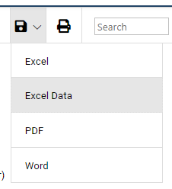

3 | Copy all information from the 'Clients In Programs' export to the 'Clients In Programs' tab. Starting in column B
 |  | Note, check that the formula in column A extends to the bottom of your data set.

4 | On the 'Import' tab, select the correct Service ID (column A), Unit of measure (column G), and User ID (column J)

 |  | Service ID list
 |  | Service ID | Service
 |  | Computer Lab | 688
 |  | Laundry | 689
 |  | Shower | 780
 |  | Voucher SP Thrift Store | 694
 |  | DI Voucher | 861
 |  | Donations Closet | 703
 |  | Emergency Fund used | 543
 |  | Food | 554
 |  | Hot Meal | 484
 |  | Pet Supplies | 718
 |  | Sack Meal | 485
 |  | Case Management | 702
 |  | CoC Case Management | 747
 |  | Crisis Management | 532

 |  | Unit of measure list (most services are saved as Count (c))
 |  | MeasureID | Service_UnitsOfMeasure
 |  | D | Dollars
 |  | M | Minutes
 |  | C | Count
 |  | H | Hours

 |  | User ID List
 |  | UserID | User
 |  | Ryan Jentzsch | BS7

5 | On the 'Date of Service' tab, enter the date the services happened into cell A2

6 | On the 'Import' tab, enter the ClientID's of the clients served on the day of service in column B (Service_ClientID).

7 | On the 'Import' tab, filter column C (Service_EnrollID), to show all #N/A.

 | 7.a | Copy the list of Client ID's in column B (Service_ClientID)

 | 7.b | Paste list into column A (Client ID missing enrollment) of the 'Clients that need Enrollments' tab
 |  |  | Note: This is the list of clients that require an enrollment into the program before the service can be saved.

8 | On the 'Import' tab, delete all rows with '#N/A' in column C (Service_EnrollID)

9 | On the 'Import' tab, remove filter from column C (Service_EnrollID)

10 | Double check data to make sure the services you selected are correct, and all forumulas are working.

11 | On the 'Import' tab, remove all rows that have color but are blank.
 |  | Note: there are formulas in theses rows, it extends down to row 299

12 | On the 'Import' tab, select all, and paste values into the 'Import CSV' tab

 |  | Import' tab, right click on the triangle in the upper left-hand corner

 |  | Select Copy

 |  | Import CSV tab, cell A1
 |  | Right-click, and select the clipboard with the 123 in it, to paste only the values.

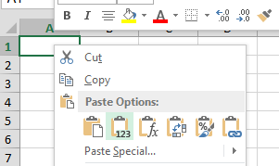

 |  | It will look like this

13 | On the 'Import CSV' tab, check the following columns to verify that they are formatted as a 'short date'

 |  | To see the formatting type, select the column you are reviewing, look at the home tab in the ribbon, under 'number', it should say 'Date,' if it says something else, type in 'Short Date'

 |  | Check these columns
 |  | Column | Name
 |  | E | Service_BeginDate
 |  | F | Service_EndDate
 |  | K | Service_CreatedDate
 |  | M | Service_UpdatedDate

14 | Create a new spreadsheet file with only the 'Import CSV' tab.

 | 14.a | Right-click on the tab name 'Import CSV'

 | 14.b | Select Move or Copy…
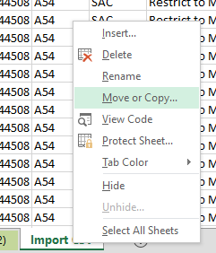

v

 | 14.c | Select the following in the pop-up
 |  | To book: (new book)
 |  | Create a copy: Check
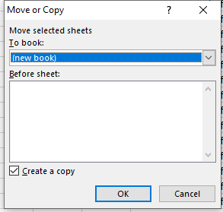

15 | Save the new workbook as a comma delminted (CSV) file.

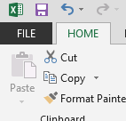

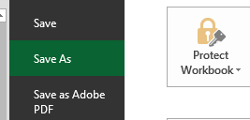

 |  | Save the file with a name you can identify, and in a location you can find easily.

 | Note, you will get a pop-up with a warning when you change the file type, click 'Yes' on this pop-up

16 | In ClientTrack, go to the client's workspace

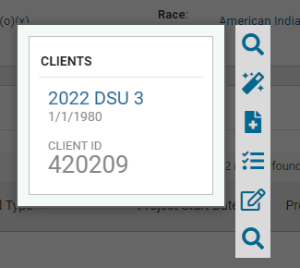

17 | Under any client, hover over 'services,' and select 'Import Services'

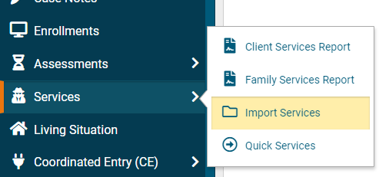

18 | In the upper right-hand corner, select 'Excel Import'

19 | In the pop-up, select 'Browse'

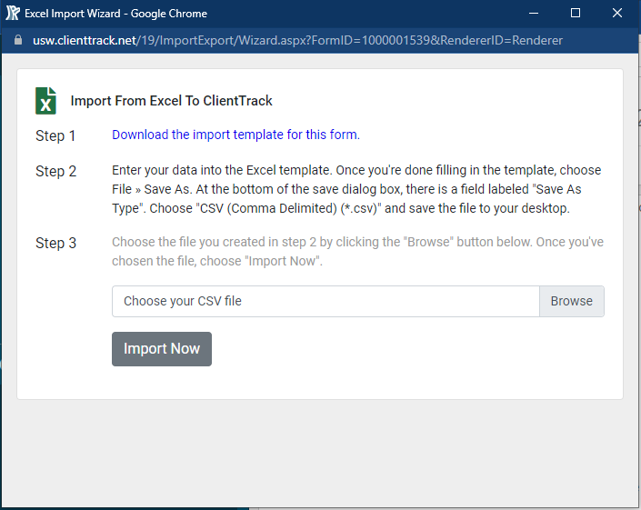

20 | Select the CSV file you created in step 15

21 | Select 'Import Now'

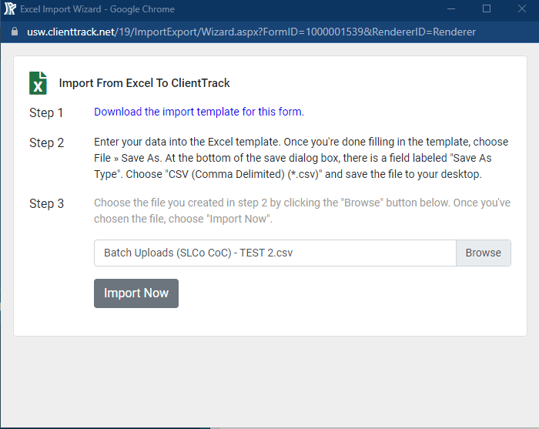

22 | Select 'Start/Resume Import'

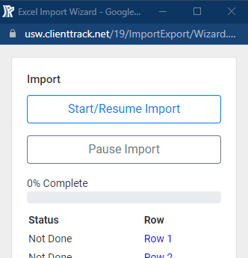

23 | The screen will flash repetatedly while the services are importing

24 | When done, you will see the following at the bottom of the import screen

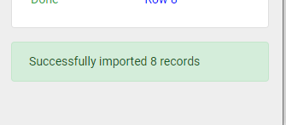

25 | Check your work, look at the last client on your list, and make sure they got the service as expected.

Bonus | Troubleshooting, if you get errors in ClientTrack (not in the pop-up), check your file for accuracy

Bonus | Something broken?

 | Steps
 |  | Right-Click on a tab name at the bottom of the spreadsheet (it doesn't matter which tab you right-click on).

 |  | Select 'Unhide…' from the menu
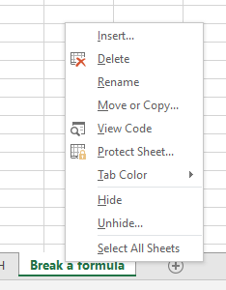

 |  | In the pop-up that appears, select 'Break a formula,' then click OK

